Sheet2
مقارنة عدد ME خلال الفصول
الفصل | dose | ME
الثالث 2022 | 246224 | 97 | 0.0003940
الرابع 2022 | 278656 | 196 | 0.0007034
الاول 2023 | 280277 | 80 | 0.0002854
الثاني 2023 | 290069 | 127 | 0.0004378
الثالث 2023 | 296919 | 108 | 0.0003637
الرابع 2023 | 299597 | 76 | 0.0002537
الاول 2024 | 357854 | 99 | 0.0002766
الثاني 2024 | 331557 | 86 | 0.0002594
الثالث 2024 | 310336 | 41 | 0.0001321
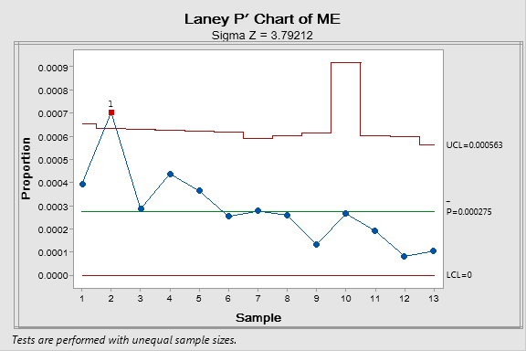
الرابع 2024 | 86520 | 23 | 0.0002658
الاول 2025 | 335781 | 64 | 0.0001906
الثاني 2025 | 343256 | 28 | 0.0000816
الثالث 2025 | 431124 | 45 | 0.0001044
 | 3888170 | 1070 | 0.000275
 |  | 17
 |  | 61%

 | process stage | ME
 | prescribing | 23 | 51%
 | transcription | 16 | 36%
 | dispensing | 2 | 4%
 | Administration | 4 | 9%
 | Grand Total | 45 | 100%

 | Row Labels | Sum of nbr of me
 | HN check up | 2 | 4%
 | Pharmacist checkup | 36 | 80%
 | RN check up | 7 | 16%
 | Grand Total | 45

 | Day | 34 | 76%
 | Evening | 4 | 9%
 | Night | 7 | 16%

 | Grand Total | 45 | 100%

Work flow disruption | 17 | 38%
Medication knowledge Deficiency | 13 | 29%
Non adherence to guidelines | 9 | 20%
non competent employee | 4 | 9%
established treatment protcol deviation | 1 | 2%
Monitoring | 1 | 2%
Grand Total | 45 | 100%

cause of error | dispensing | prescribing | transcription | administration | Total
Work flow disruption | 1 | 7 | 9 |  | 17
Medication knowledge Deficiency | 1 | 6 | 6 |  | 13
Non adherence to guidelines |  | 9 |  |  | 9
Non competent employee |  |  |  | 4 | 4
Established treatment protcol deviation |  |  | 1 |  | 1
Monitoring |  | 1 |  |  | 1
Total | 2 | 23 | 16 | 4 | 45

Row Labels | dispensing | prescribing | transcription | administration | Grand Total
wrong dose |  | 5 | 6 |  | 11
Inappropriate dose selection |  | 8 |  |  | 8
Duplication |  | 6 | 1 |  | 7
Wrong FREQUENCY |  | 1 | 4 |  | 5
excess dose |  |  |  | 4 | 4
wrong drug | 1 |  | 2 |  | 3
Adverse drug reation |  | 1 |  |  | 1
Dose adjustment/renal-hepatic |  | 1 |  |  | 1
mislabeling | 1 |  |  |  | 1
Monitoring Subtheropetic level |  | 1 |  |  | 1
Wrong IV rate |  |  | 1 |  | 1
wrong patient |  |  | 1 |  | 1
wrong unit |  |  | 1 |  | 1
Grand Total | 2 | 23 | 16 | 4 | 45

Row Labels | Grand Total
physician | 23 | 51%
RN | 20 | 44%
pharmasist | 2 | 4%
Grand Total | 45 | 100%

